HRM
Employee Target

HTML
Java Script
Views
CSS

Main Container
At the time of Page Loading
Employee List Table
(initially Hide)
onclick="showDiv_A()"
Target "Div_A"
Display Block
Detail less already Set Target
Heading Section

List of Employees whose Taget has already been Set.
[365, 456, 681, 980, 103]
OnClick Select the row and project the data i.e. Code, Name, Status, Picture, Annual Salary, Annual Target

Top Section
click "find picture"
onclick="fetchDiv_A()"
Fetch Data from "/empSalary" urls
store in "list_A

get"list_A" data and filter as per criteria
onkeyup="filter_A()"

Table Section
Display the Filtered Data in Table
onkeyup="filter_A()"
Fetch Data from "/itemPrice" urls
store in "list_A

Total Section

Total Section

Reports
Reports

Sales Analysis
def updateSalRevenue
D1_Reports (App)
a2_salesDB
F1_Saless (App)

Delete Sales Quotation


Accounting Entry
Cost of Goods Sold Dr
Inventory (item 01) Cr
Change in Quantity
(Item 01) = qty -25
Stock (Item 01)

Add Sales DN
Delivery Note
View/Edit DN

Delete DN

SalesProcess
Sales Process

Add Sales Quotation

Sales Quotation
View/Edit Sales Quotation

Delete Sales Quotation

Add Sales Order

Sales Order
View/Edit Sales Order

Delete Sales Order

Accounting Entry
Cost of Goods Sold Dr
Inventory (item 01) Cr
Change in Quantity
(Item 01) = qty -25
Stock (Item 01)

Add Sales DN
Delivery Note
View/Edit DN

Delete DN

Change Recivable Position
(Receivable A) = Amount + 25000
Accounting Entry
Receivable (A) Dr
Sales Cr
Receivable (A)
Add Sales Invoice
Sales Invoice

View/Edit Invoice

Delete Invoice

Accounting Entry
Cash (Bank A) Dr
Receivable (A) Cr
Change Recivable Position
(Receivable A) = Amount - 25000
Receivable (A)
Add Collection
Receive Cash

View/Edit Collection

Delete Collection

SaleQuot
Sales Quote

Sales Quote List
Show all Transactions
def sQuotList
sQuotList.html
def syncQuot

def showQuot
fetch

Add Sales Quote
1. qotBasic
2. qotAddi
3. qotStat
def sQuotAdd
sQuotAdd.html
. Save data in qotBasic
. Save data in qotAddi
. Save Data in qotStat as (Open)

def sQuotAddUrl

def sQuotEdit
Edit/Show Sales Quote
. Save data in qotBasic
. Save data in qotAddi
. Save Data in qotStat as (Open)
sQuotEdit.html

Sales Order is not there against such Quotation
Delete Sales Quote
def delQot
. Save data in qotBasic as (Edited)
. Save Data in qotStat as (Open)

PDF
def sQotPDF
sQuotPDF.html

Sales Quot List (sQuotList.html)
def QuotList ( to Show Page sQuotList)
def showQuot (to get all the record of Sales Quotation)
1. Get Company and Year to Load Data.
2. Read Quotation Basic CSV file
- drop first row which is empty
- convert date column into date and time formate and than make it sting
- remove duplicate Quote ie. Edited and Deleted Record
3. Read Quotation Status CSV file
- remove duplicate Quote ie. Edited and Deleted Record
4. Map qotBasic.csv Open/Close with Status.csv
5. Convert Data into Dictionary

Add New Quotation (sQuotAdd.html)
def sQuotAdd ( to Show Page sQuotAdd and generate Quot Number and Date)
1. Get Company and Year to Load Data.
2. Read qotBasic.csv - to Get the last Quotation Number
def sQuotAddUrl (to Save New Quotation in 1.qotBase 2.qotAddi 3.qotStat)
1. Get Company and Year to Load Data.
2. Save Data in qotBasic.csv file
3. Save Data in qotAddi.csv file
4. Save Data in qotStat.csv file
Need to Consider:
1. Picking the Sales Price from Sales Price List
2. SNo addition and deletion is reseting properly.
3. Same Item is not added again in the quotation.
4. Discount, VAT and Total Calculation is Proper and Accurate.

Show and Edit Quotation (sQuotEdit.html)
def sQuotEdit (to Edit and Save Quotation in 1.qotBase 2.qotAddi 3.qotStat)
1. Get Company and Year to Load Data.
2. Read qotBasic.csv file
3. Read qotAddi.csv file

Delete Quotation
def delQot(to Delete Quote Record)
1. Get Company and Year to Load Data.
2. Read qotBasic.csv file
3. Read qotStat.csv file and save with 'Deleted'
Note: - No need to mentioned "Edit" or "Deleted" in qotAddi.csv because it's not required "Edit" or "Deleted" data will delete by Merge Function
while synchronizing Entire Quotation data,
- in case of qotStat don't want to delete through Merge function because 'closed' status is the additional record' need tracking.

Download Qutation as PDF (sQuotPdf.html)
def sQuotPdf (to Download Quote as PDF)
1. Get Company and Year to Load Data.
2. Read qotBasic.csv file
3. Read qotAddi.csv file

Synchronize Quote Data
def syncQuot (to synchronize Quote Data and save in 1.qotBase 2.qotAddi 3.qotStat)
1. Get Company and Year to Load Data.
2. Read qotBasic.csv file process and Save in qotBasic.csv
3. Read qotAddi.csv file process and Save in qotAddi.csv
4. Read qotStat.csv file process and Save in qotStat.csv

showQuotSum.html
To show the summary of Sales Quotation i.e. Sales Quotation Number &Date, Customer Code and Name, Statue open or closed.

Add
 | Qty | Price | Discunt | VAT | Tota
 | 2 | 31,465 | 1,607 | 3,066 | 64,389
 | 4 | 4,725 | 2,500 | - | 16,400
 | 1 | 51,380 | 7,500 | 2,194 | 46,074
 | 2 | 47,180 | 19,000 | 3,768 | 79,128
 | 8 | 6,300 | 1,400 | - | 49,000

Total Before Discount : AED |  |  |  |  | 277,970
Total After Discount : AED |  |  |  |  | 245,963
Total Tax Amount : AED |  |  |  |  | 9,028
Total Including Tax : AED |  |  |  |  | 254,991

Edit
 | Qty | Price | Discunt | VAT | Tota
 | 2 | 31,465 | 1,607 | 3,066 | 64,389
 | 4 | 4,725 | 2,500 | - | 16,400
 | 1 | 51,380 | 7,500 | 2,194 | 46,074
 | 2 | 47,180 | 19,000 | 3,768 | 79,128
 | 11 | 6,300 | 1,400 | - | 67,900

Total Before Discount : AED |  |  |  |  | 296,870
Total After Discount : AED |  |  |  |  | 264,863
Total Tax Amount : AED |  |  |  |  | 9,028
Total Including Tax : AED |  |  |  |  | 273,891

SaleOrder
Sales Order

Sales Order List
Show all Transactions
def sOrderList
sOrderList.html
def syncOrder

def showOrderURL
fetch

Add Sales Order
def sOrderAdd
sOrderAdd.html
1. soBasic
2. soAddi
3. soStat
1. qotStat

def sQuotOpnList
fetch
def sOrderAddUrl
def sQuotDetail
fetch

def sOrderEdit
Edit/Show Sales Order
sOrderEdit.html

Delete Sales Order
def delSOrd

PDF
def sOrderPDF
sOrderPDF.html

Delivery
Delivery Note

Delivery Note List
Show all Transactions
def sDeliveryList
sDeliveryList.html
def syncDelivery

def showDeliveryURL
fetch

Add Delivery Note
1. dlBasic
2. dlAddi
3. dlStat
1. soStat
1. itemMovement
1. Entries.csv
def sDeliveryAdd
sDeliveryAdd.html

def sOrderOpnList
fetch

def sOrderDetail
fetch
def sDeliveryAddUrl

def sDeliveryEdit
Edit/Show Delivery
sDeliveryEdit.html
Outstanding: should not Add same item again in a sales order

Delete Delivery Note
def delSOrd

Delivery Note as PDF
def sDeliveryPDF
sDeliveryPDF.html

Sales
Sales Invoice

Sales Invoice List
Show all Transactions
def sInvoiceList
sInvoiceList.html
def syncInvoice

def showInvoiceURL
fetch

Add Sales Invoice
1. siBasic
2. siAddi
3. siStat
1. dlStat
1. Customers.csv
1. Entries.csv
def sInvoiceAdd
sInvoiceAdd.html

def sDeliveryOpnList
fetch

def sDeliveryDetail
fetch
def sInvoiceAddURL

Edit/Show Invoice
def sInvoiceEdit
sInvoiceEdit.html
Outstanding: should not Add same item again in a sales Invoice

Delete Sales Invoice
def delSOrd

Sales Invoice as PDF
def sInvoicePDF
sInvoicePDF.html

PurchaseProcess
Purchase Process

Add Purchase Order

Purchase Order
View/Edit Purchase Order

Delete Purchase Order

Accounting Entry
Inventory (item 01) Dr
Inventory (item 01) Cr
Change in Quantity
(Item 01) = qty -25
Stock (Item 01)
Add Purchase GRN

Goods Receipt Note
View/Edit GRN

Delete GRN

Accounting Entry
Purchase Dr
Payable (A) Cr
Change Payment Position
(Payment A) = Amount + 25000
Payment (A)

Add Purchase Invoice
Purchase Invoice
View/Edit Purchase

Delete Purchase

Accounting Entry
Cash (Bank A) Dr
Receivable (A) Cr
Change Recivable Position
(Receivable A) = Amount - 25000
Receivable (A)

Add Payment
Payment Cash
View/Edit Payment

Delete Payment

PurchaseOrder
Sales Quote

Sales Quote List
Show all Transactions
def sQuotList
sQuotList.html
def syncQuot

def showQuot
fetch

Add Sales Quote
1. qotBasic
2. qotAddi
3. qotStat
def sQuotAdd
sQuotAdd.html
. Save data in qotBasic
. Save data in qotAddi
. Save Data in qotStat as (Open)

def sQuotAddUrl

def sQuotEdit
Edit/Show Sales Quote
. Save data in qotBasic
. Save data in qotAddi
. Save Data in qotStat as (Open)
sQuotEdit.html

Sales Order is not there against such Quotation
Delete Sales Quote
def delQot
. Save data in qotBasic as (Edited)
. Save Data in qotStat as (Open)

PDF
def sQotPDF
sQuotPDF.html

Sales Quot List (sQuotList.html)
def QuotList ( to Show Page sQuotList)
def showQuot (to get all the record of Sales Quotation)
1. Get Company and Year to Load Data.
2. Read Quotation Basic CSV file
- drop first row which is empty
- convert date column into date and time formate and than make it sting
- remove duplicate Quote ie. Edited and Deleted Record
3. Read Quotation Status CSV file
- remove duplicate Quote ie. Edited and Deleted Record
4. Map qotBasic.csv Open/Close with Status.csv
5. Convert Data into Dictionary

Add New Quotation (sQuotAdd.html)
def sQuotAdd ( to Show Page sQuotAdd and generate Quot Number and Date)
1. Get Company and Year to Load Data.
2. Read qotBasic.csv - to Get the last Quotation Number
def sQuotAddUrl (to Save New Quotation in 1.qotBase 2.qotAddi 3.qotStat)
1. Get Company and Year to Load Data.
2. Save Data in qotBasic.csv file
3. Save Data in qotAddi.csv file
4. Save Data in qotStat.csv file
Need to Consider:
1. Picking the Sales Price from Sales Price List
2. SNo addition and deletion is reseting properly.
3. Same Item is not added again in the quotation.
4. Discount, VAT and Total Calculation is Proper and Accurate.

Show and Edit Quotation (sQuotEdit.html)
def sQuotEdit (to Edit and Save Quotation in 1.qotBase 2.qotAddi 3.qotStat)
1. Get Company and Year to Load Data.
2. Read qotBasic.csv file
3. Read qotAddi.csv file

Delete Quotation
def delQot(to Delete Quote Record)
1. Get Company and Year to Load Data.
2. Read qotBasic.csv file
3. Read qotStat.csv file and save with 'Deleted'
Note: - No need to mentioned "Edit" or "Deleted" in qotAddi.csv because it's not required "Edit" or "Deleted" data will delete by Merge Function
while synchronizing Entire Quotation data,
- in case of qotStat don't want to delete through Merge function because 'closed' status is the additional record' need tracking.

Download Qutation as PDF (sQuotPdf.html)
def sQuotPdf (to Download Quote as PDF)
1. Get Company and Year to Load Data.
2. Read qotBasic.csv file
3. Read qotAddi.csv file

Synchronize Quote Data
def syncQuot (to synchronize Quote Data and save in 1.qotBase 2.qotAddi 3.qotStat)
1. Get Company and Year to Load Data.
2. Read qotBasic.csv file process and Save in qotBasic.csv
3. Read qotAddi.csv file process and Save in qotAddi.csv
4. Read qotStat.csv file process and Save in qotStat.csv

showQuotSum.html
To show the summary of Sales Quotation i.e. Sales Quotation Number &Date, Customer Code and Name, Statue open or closed.

Add
 | Qty | Price | Discunt | VAT | Tota
 | 2 | 31,465 | 1,607 | 3,066 | 64,389
 | 4 | 4,725 | 2,500 | - | 16,400
 | 1 | 51,380 | 7,500 | 2,194 | 46,074
 | 2 | 47,180 | 19,000 | 3,768 | 79,128
 | 8 | 6,300 | 1,400 | - | 49,000

Total Before Discount : AED |  |  |  |  | 277,970
Total After Discount : AED |  |  |  |  | 245,963
Total Tax Amount : AED |  |  |  |  | 9,028
Total Including Tax : AED |  |  |  |  | 254,991

Edit
 | Qty | Price | Discunt | VAT | Tota
 | 2 | 31,465 | 1,607 | 3,066 | 64,389
 | 4 | 4,725 | 2,500 | - | 16,400
 | 1 | 51,380 | 7,500 | 2,194 | 46,074
 | 2 | 47,180 | 19,000 | 3,768 | 79,128
 | 11 | 6,300 | 1,400 | - | 67,900

Total Before Discount : AED |  |  |  |  | 296,870
Total After Discount : AED |  |  |  |  | 264,863
Total Tax Amount : AED |  |  |  |  | 9,028
Total Including Tax : AED |  |  |  |  | 273,891

QuotProit
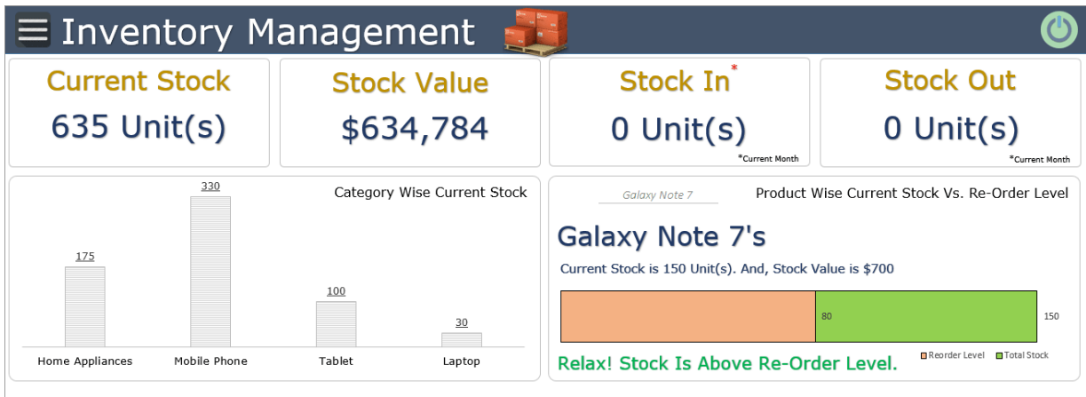
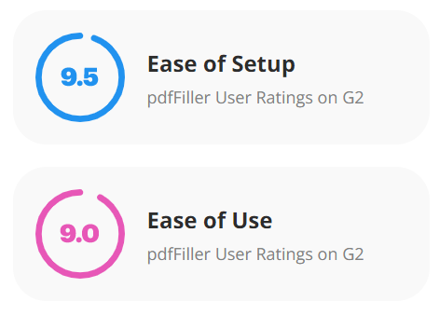

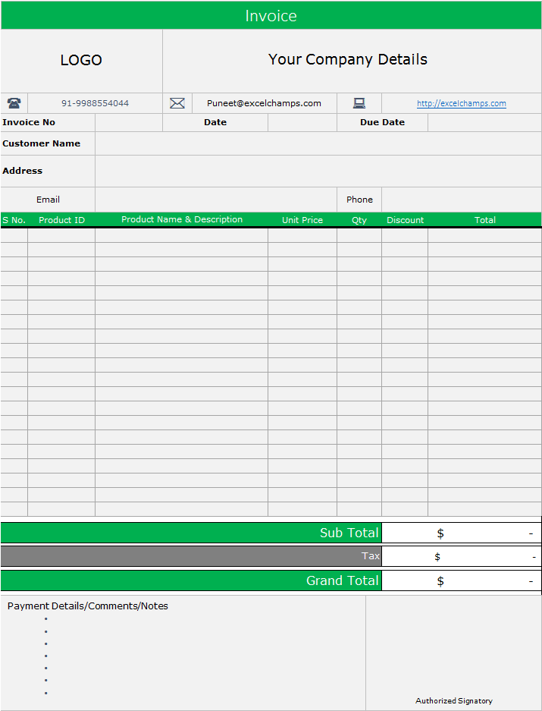

Date | Item Name | Transaction Type | Quantity | Unit Cost | Transaction Value | Total Cost | Balance Qty | Balance Amount | Weighted Avg. Cost
2023-01-01 | 10001000 | Opening | 10 | AED 10 |  | AED 100 | 10 | AED 100 | AED 10
2023-01-01 | 10001000 | Purchase | 100 | AED 11 |  | AED 1,100 | 110 | AED 1,200 | AED 11
2023-01-05 | 10001000 | Sale | -50 |  |  | AED 0 | 50 | AED 50 | AED 1
2023-01-10 | 10001000 | Purchase | 75 | AED 12 |  | AED 900 | 125 | AED 125 | AED 1
2023-01-15 | 10001000 | Sale | -30 |  |  | AED 0 | 95 | AED 95 | AED 1

Date | Item Name | Transaction Type | Quantity | result
2023-01-01 | 10001000 | Opening | 10
2023-01-01 | 10001000 | Purchase | 100 | 10
2023-01-05 | 10001000 | Sale | -50 | 100
2023-01-10 | 10001000 | Purchase | 75 | -50
2023-01-15 | 10001000 | Sale | -30 | 75

SalesProces
Employee Target

Sales Quotation

Create Folders (F1_salSetup)
Sales, Quotation, Order, Invoice
HTML
Java Script
Views
CSS

Main Container
At the time of Page Loading
Employee List Table
(initially Hide)
onclick="showDiv_A()"
Target "Div_A"
Display Block
Detail less already Set Target
Sales Quotation List:
Page will show the basic design and there will ba a self execute function to fetch data and if there is no data error will came on console but will not effect the page to display.
Heading Section

List of Employees whose Taget has already been Set.
[365, 456, 681, 980, 103]
Add Sales Quotation:
- Start with Quotation date
- Quotation Ref# will depend on date (each month will start with 1 )
OnClick Select the row and project the data i.e. Code, Name, Status, Picture, Annual Salary, Annual Target

Top Section
click "find picture"
onclick="fetchDiv_A()"
Fetch Data from "/empSalary" urls
store in "list_A

get"list_A" data and filter as per criteria
onkeyup="filter_A()"

Table Section
Display the Filtered Data in Table
onkeyup="filter_A()"
Fetch Data from "/itemPrice" urls
store in "list_A

Total Section

Total Section

